Game structure
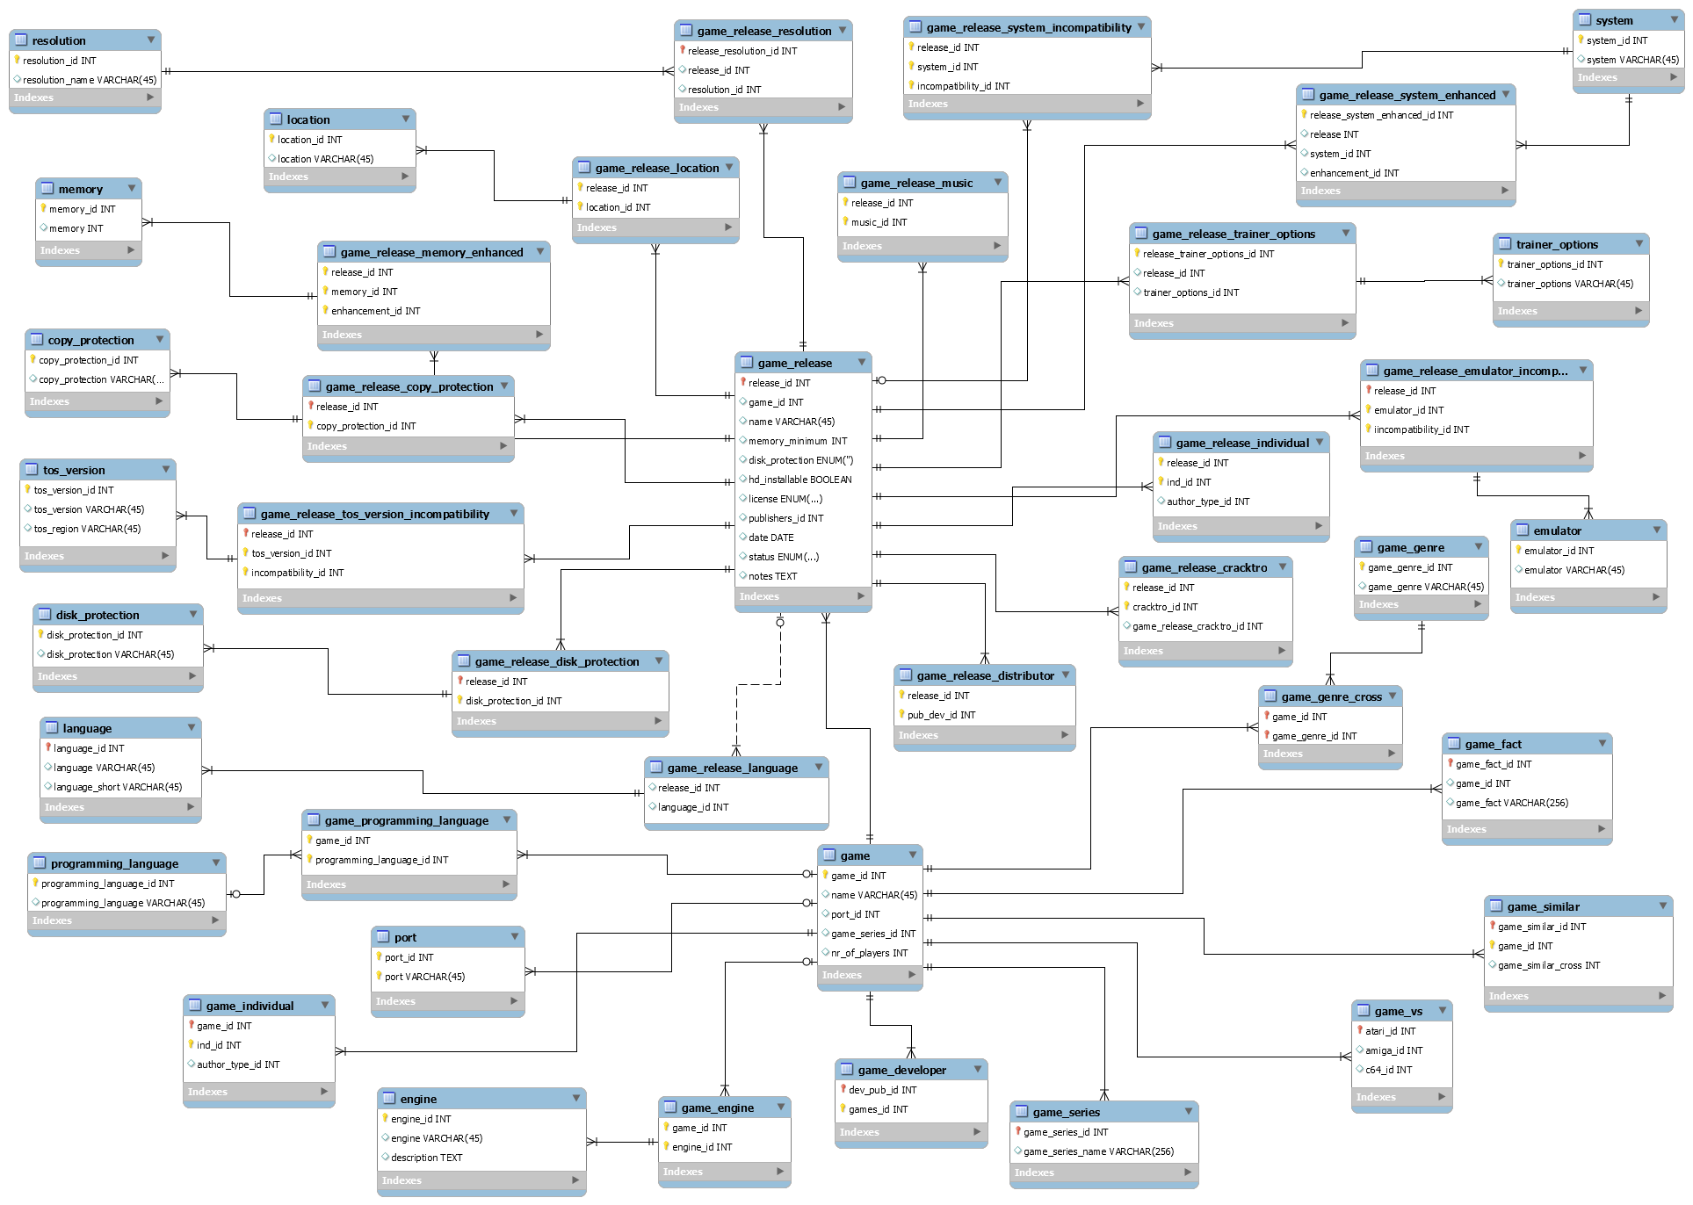

Table | Info | Fields | Explanation | Extra
game | This is the main game table which everything will be connected with | port_id | Is the game a port (from an Arcade or another system) | A game is a port from a single origin system (The system the game appeared on first)
 |  | nr_of_players | How many players can play the game together | A game has a single count of maximum players
 |  | game_series_id | A game is part of a single series | eg. Turrican, Ultima, ...
game_programming_language | This is the cross table between the game and its programming language(s)
programming_language | The table which holds all programming languages. Eg C, STOS, ASM, GFA...A game can be a mix of STOS + ASM
port | From which system is this game ported (C64, Amiga, Arcade)
game_individual | This is the cross table between the game and its creators/individuals. This table also contains the link to the author_type table (programmer, graphics artist, Musician ...)
game_engine | the cross between the game and the engine tabel
engine | What engine was the game built with eg. STOS, STAC, SEUCK ... A game can only be build with 1 engine
game_developer | The cross table between the game and the developer table
game_series | This table contains the series of games (Lotus trilogy, Star Wars trilogy, Ishar trilogy...) and is linked directly to the game table
game_vs | This table contains the game_ids of other versions on other web sites. This table is used to link our games with Lemon Amiga and Lemon 64
game_similar | This is a cross to the game table itself which links to games of a similar nature | game_similar_cross | contains a game_id
game_fact | This table can contain titbits of info regarding a game.
game_genre_cross | This is the cross table between the game and its genre, A game can be part of multiple genres,
game_genre | The table which holds all the genres eg. Action, platformer, adventure
game_release | The table containing all the different releases (published by) of this game | name | Title of the release | *only* if it differs from the main game title (e.g. because it is translated)
 |  | memory_minimum | Minimum RAM to run the game (eg. 512, 1024, 2048, 4096) | A release has a single minimum required RAM amount
 |  | disk_protection | What disk protection system is used | A release disk is protected by a single copy protection system
 |  | hd_installable | Is the release HD installable | A release is either HD installable or not
 |  | license | License of the release eg. Commercial, Shareware, Open Source | A release has a single license
 |  | date | Date of the release | A release has a single release date
 |  | notes | Field to add bugs and other info regarding the release
 |  | status | Status of the release (unfinished, unreleased, in development)
game_release_language | the cross table between a release and the language table. A release may have multiple languages.
language | The language table | language | eg. English
 |  | language_short | eg. EN
game_release_distributor | Crosstable between the distributor and the game_release table. A release has a single publisher (but there may be multiple releases of the game with different publishers).
game_release_cracktro | Cross table between the release and the cracktro table
game_release_individual | This is the cross table between the release and its creators/individuals. This table also contains the link to the author_type table (programmer, graphics artist, Musician ...). Individuals involved in modifying this release from the original code, or adding music, ...
game_release_emulator_incompatibility | This is the cross table between the release table, emulator table and the incompatibility table. Which emulators the release is NOT compatible with. A release may be incompatible with multiple emulators.
emulator | This table holds all the emulators (STEEM, HATARI...)
game_release_trainer_options | Cross between release table and trainer options - this one replaces the game_download_trainer table
trainer_options | table containing all types of trainers
game_release_system_enhanced | Crosstable between the release, the system and the enhancement tables. Platforms the release is enhanced for. A release can be enhanced for STe, and further enhanced for Falcon.
system | Table containing all the different systems (1040ste, 520st, falcon ...)
game_release_system_compatibility | Crosstable between the release, the system and the incompatibility tables. Minimum platforms that can run the release. A release can run both on ST + STe, without enhancements
game_release_music | The cross table between the game_release and the music structure
game_release_resolution | Crosstable between the release and the resolution table. A release may support multiple resolutions.
resolution | Table holds all resolutions (high, low, medium, Falcon RGB, Falcon VGA)
game_release_location | Crosstable between the release and the location table. Region or Country the release was done. A release may be released to multiple countries (FR, UK) or regions (Europe, Asia).
location | Table holding countries (UK, France, US, ...) + regions (Europe, Asia, ...)
game_release_memory_enhanced | Crosstable between the release, the memory and the enhancement tables. Enhancements provided by additional memory. A release may be enhanced for 1MB, further enhanced for 2MB.
memory | Table holding the RAM amounts (512, 1024, 2048, 4096)
copy_protection | table containing all types of copy protection (word in manual, wheel...)
game_release_copy_protection | The cross table between the copy_protection table and the game release table. What disk protection system is used? A release can be protected by multiple copy protection systems
game_release_tos_version_incompatibility | Crosstable between the release, the tos version and the incompatibility tables.Which version of TOS the release is NOT compatible with. A release may be incompatible with multiple TOS versions.
tos_version | Table holding all the tos versions (1.0, 1.02, 1.04, 1.06, 1.62, 2.02, 2.05, 2.06, 2.07, 2.08, 3.01, 3.05, 3.06, 4.00, 4.01, 4.02, 4.04, 4.92, 4.98)
disk_protection | table containing all types of disk protection
game_release_disk_protection | The cross table between the disk_protection table and the game release table. What disk protection system is used?
game_release_language | The cross table between a release and the language table

Dump Structure
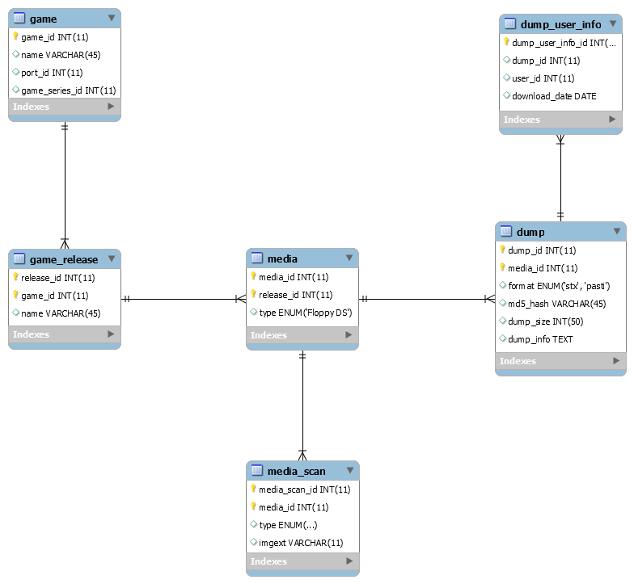

Table | Info | Fields | Explanation | Extra
media | - A release can have multiple media, for example games spread across multiple disks, or games with SS and DS disks - A media can have multiple scan images (e.g. front of the floppy, back) - A media can have multiple dumps, for example a STX (Pasti), MSA (Magic Shadow Archiver) , RAW (Kryoflux), SCP (SuperCard Pro) | type | A media has a type like Floppy SS, Floppy DS, Cartridge, Digital
media_scan | This table contains the artwork of the game. A media can have multiple scan images (e.g. front of the floppy, back, goodies...) | type | Front of the floppy, back, goodies...
 |  | imgext | Extension of the image
dump | Table containing the actual dump/download of a media. A media can have multiple dumps, for example a Pasti one and a MSA one . | format | STX (Pasti), MSA (Magic Shadow Archiver) , RAW (Kryoflux), SCP (SuperCard Pro)
 |  | dump_info | extra info regarding the dump, bugs ...
dump_user_info | Extra info regarding who downloaded the dump and when

